Sheet1
DATE | INV NO. | DESCRIPTIONS | QTY | BILLS | PRICE | SUB TOTAL | TOTAL
2025-10-07 | B00112/PRN-R/2025 | BREAST BONELESS | 5.2 | 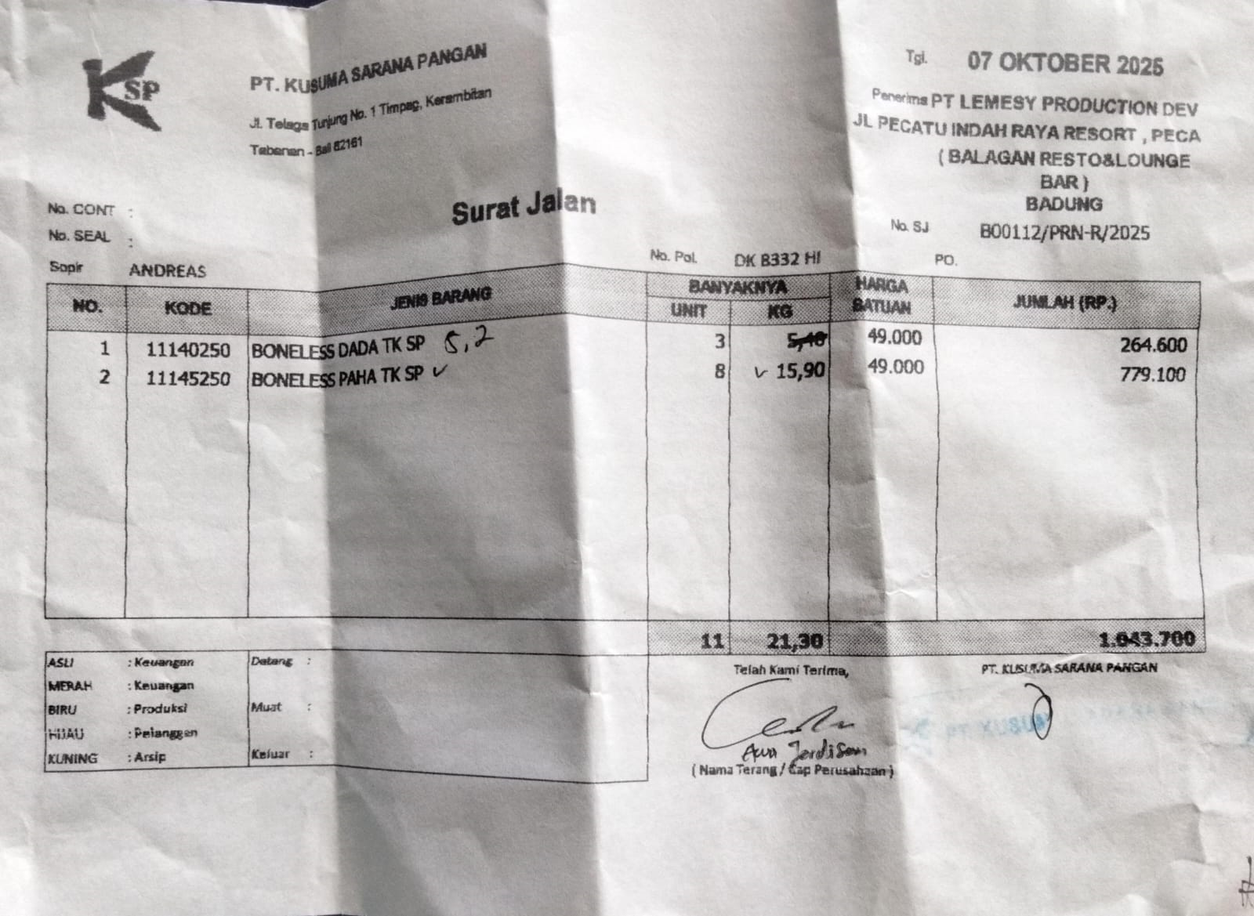 | IDR 49,000 | IDR 254,800 | IDR 1,033,900
 |  | LEG BONELESS | 15.9 |  | IDR 49,000 | IDR 779,100
2025-10-14 | B00164/PRN-R/2025 | BREAST BONELESS | 5.1 | 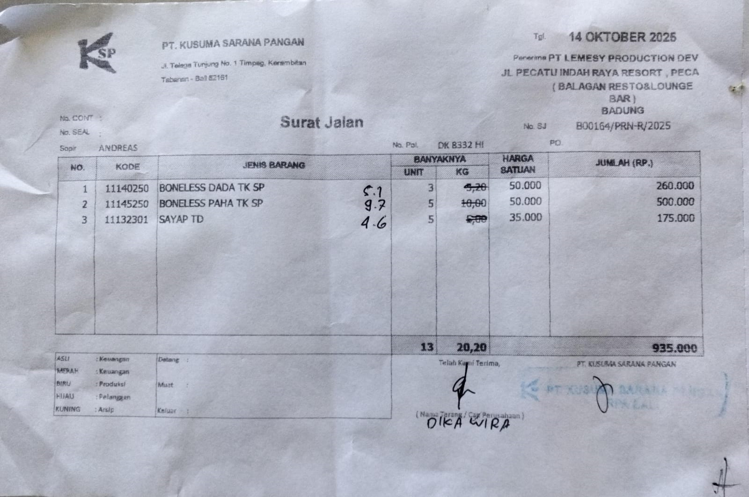 | IDR 50,000 | IDR 255,000 | IDR 901,000
 |  | LEG BONELESS | 9.7 |  | IDR 50,000 | IDR 485,000
 |  | CHICKEN WINGS | 4.6 |  | Rp35,000 | IDR 161,000
2025-10-21 | B00226/PRN-R/2025 | BREAST BONELESS | 4.4 | 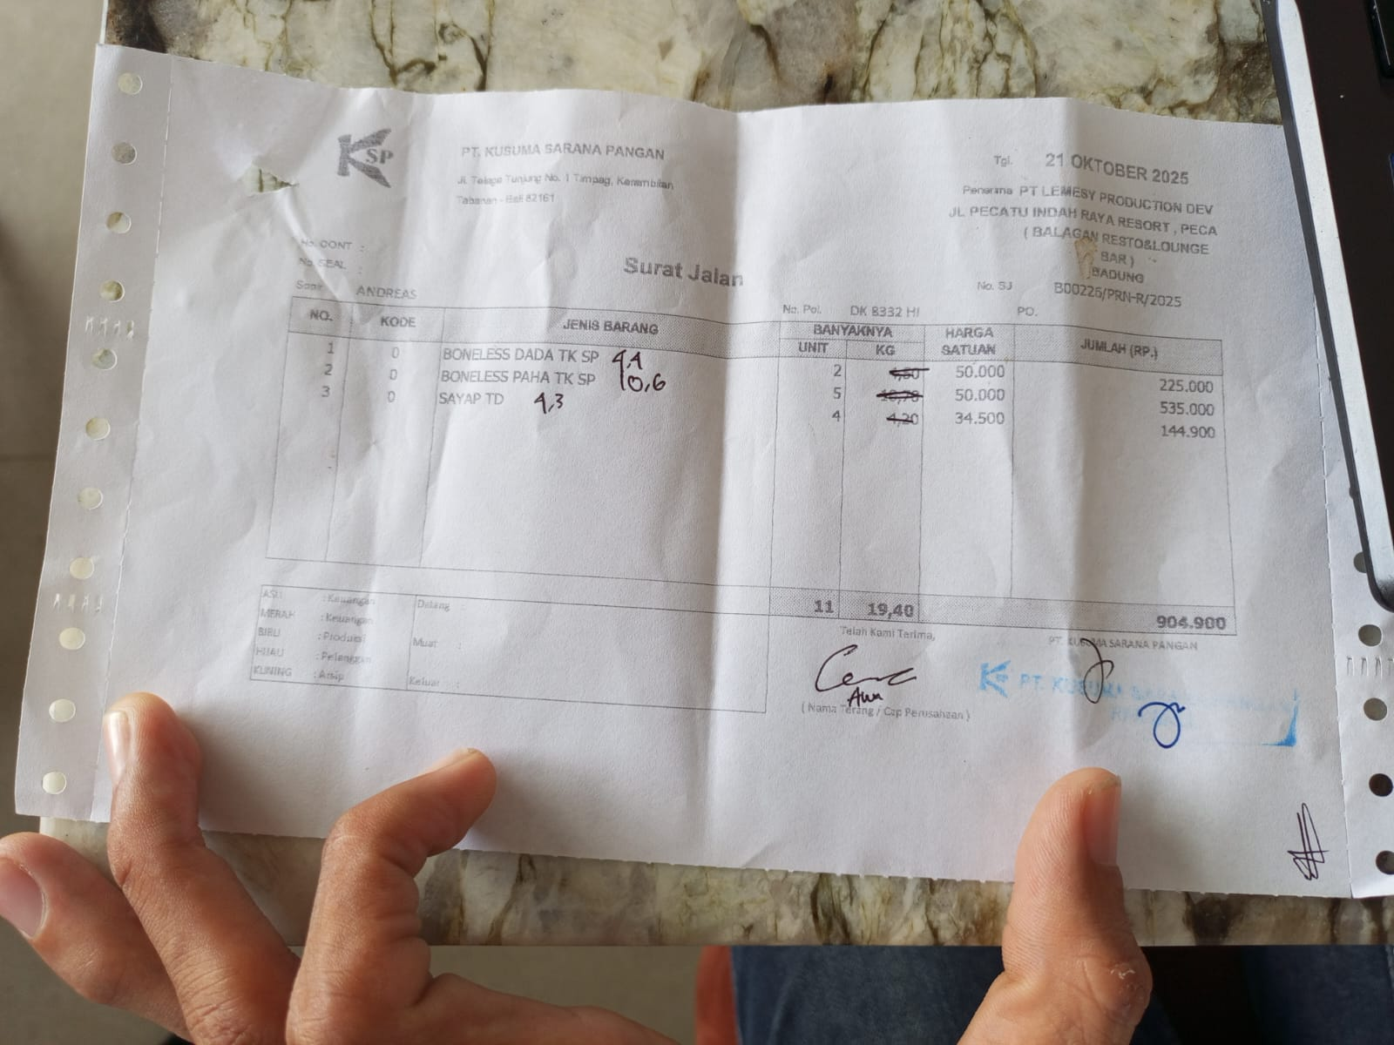 | Rp50,000 | IDR 220,000 | Rp898,350
 |  | LEG BONELESS | 10.6 |  | Rp50,000 | IDR 530,000
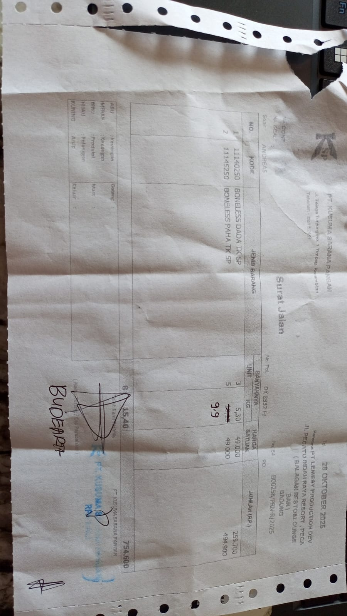
 |  | CHICKEN WINGS | 4.3 |  | Rp34,500 | IDR 148,350
2025-10-29 | B00258/PRN-R/2025 | BREAST BONELESS | 5.3 |  | Rp49,000 | Rp259,700 | Rp744,800
 |  | LEG BONELESS | 9.9 |  | Rp49,000 | Rp485,100
 |  |  |  | Rp3,578,050

